Fossil Fuel direct investments
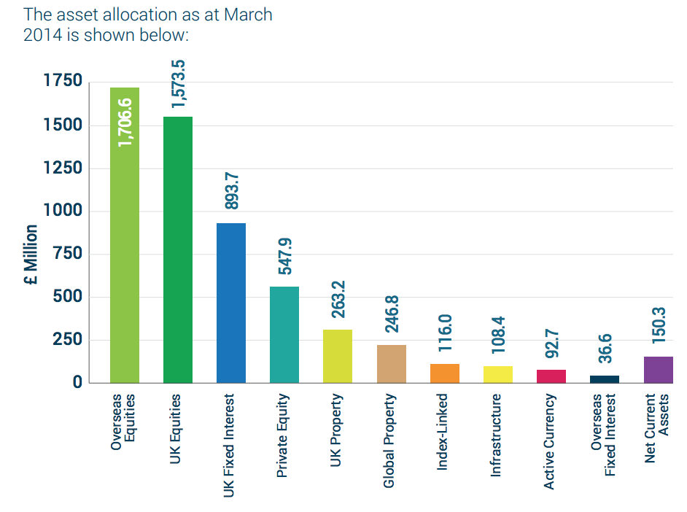
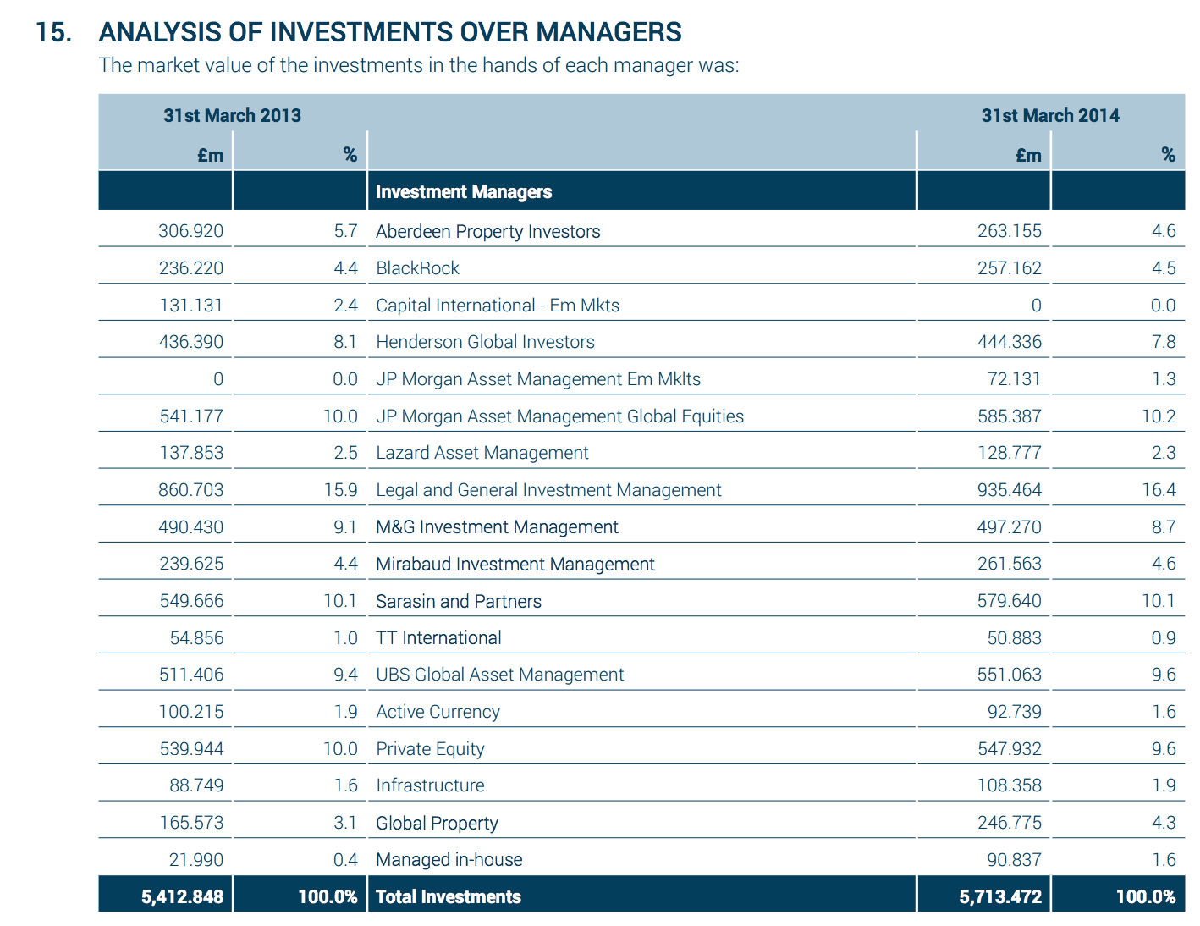
Name | Tyne and Wear pension Fund |  | Name | Value as at 31 3 2014 | http://www.twpf.info/CHttpHandler.ashx?id=23388&p=0
Total Holdings | 5,432,300,000.00 |  |  | £5,432.3bn
Total Fossil Fuel Holdings | 0 |  |  |  | Equities 2,649.607
Percentage in fossil fuels | 0.00%

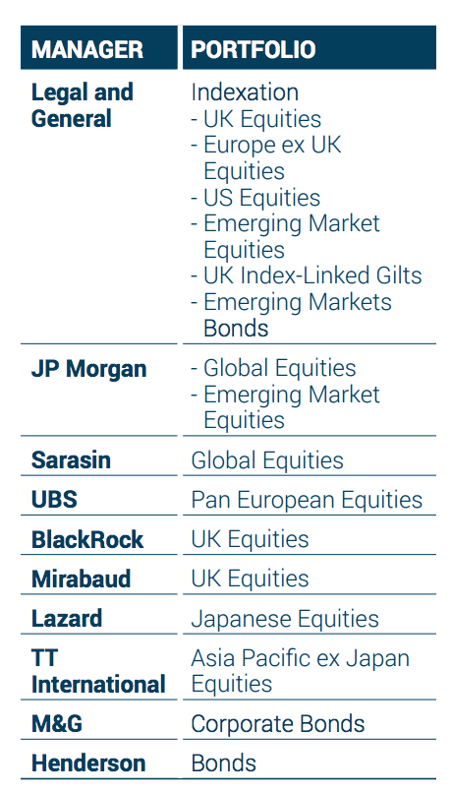
Top 10 Fossil Fuel Holdings |  | Excludes pooled funds, see next sheet

